Sheet1
Data Tools

Data tools are designed to help users organise and analyse data enhancing efficiency and productivity
Some data tools
Text to columns
Flash Fill
Remove duplicates

Text to columns
Using this feature you can split a single column of text into two or more columns based on either fixed width or delimiter (Separator).

Ex: | We need to split the following sentence By space as a separate delimiter

 | We are learning Excel Mastery course from idigitalpreneur.

 | We | are | learning | Excel | Mastery | course | from | idigitalpreneur.

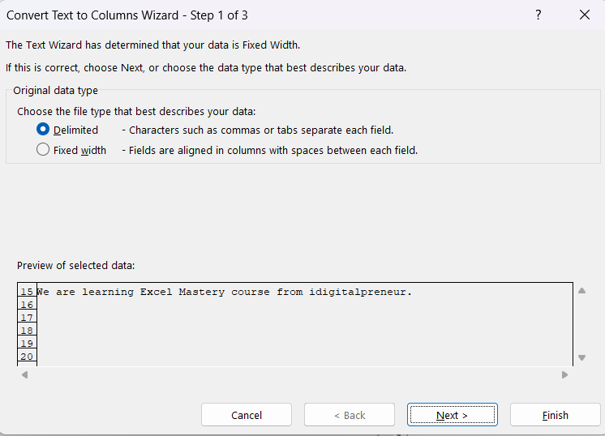
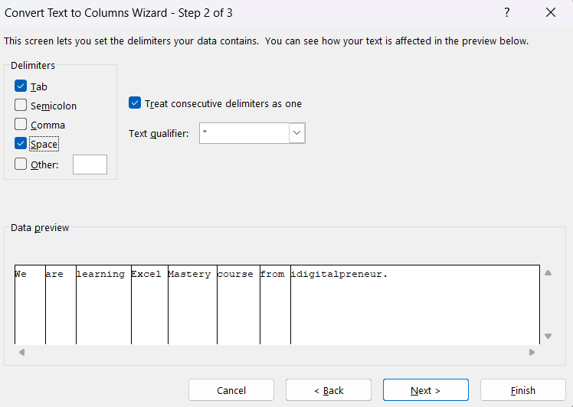
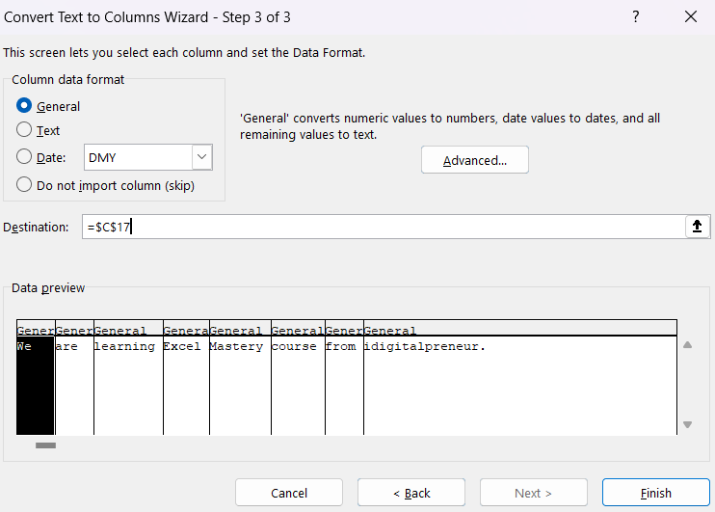

Ex1: | Split to the EMP name column into first middle and last name (space in the separate)

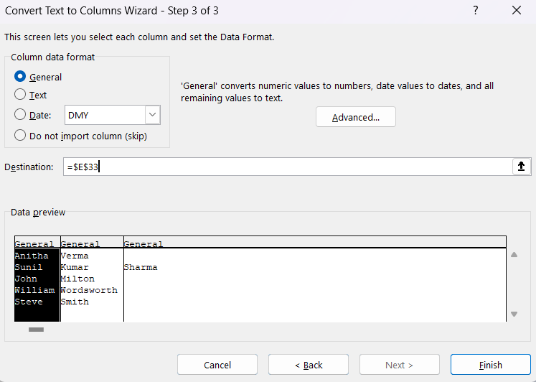
 | Emp ID | Emp Name | First name | Middle | Last
 | 1001 | Anitha Verma | Anitha | Verma
 | 1002 | Sunil Kumar Sharma | Sunil | Kumar | Sharma
 | 1003 | John Milton | John | Milton
 | 1004 | William Wordsworth | William | Wordsworth
 | 1005 | Steve Smith | Steve | Smith

Ex2: | Split emails ids to separate user names and domain names (the @ symbol is the separator).

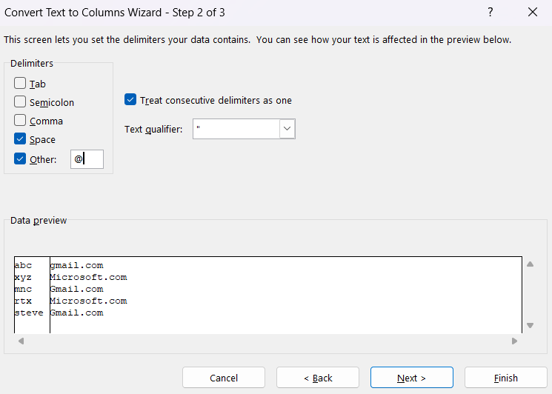
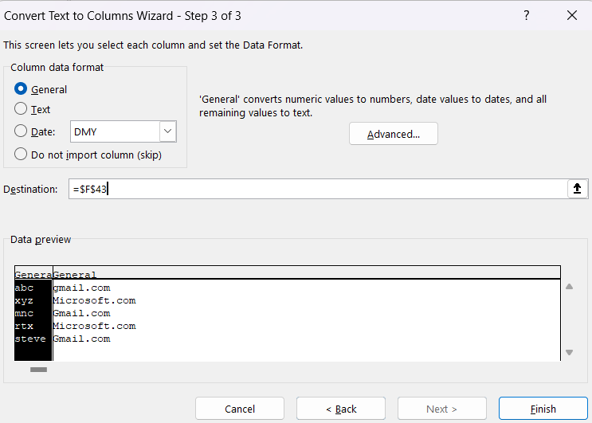
 | Emp ID | Emp Name | Email ID | User name | Domain name
 | 1001 | Anitha Verma | abc@gmail.com | abc | gmail.com
 | 1002 | Sunil Kumar Sharma | xyz@Microsoft.com | xyz | Microsoft.com
 | 1003 | John Milton | mnc@Gmail.com | mnc | Gmail.com
 | 1004 | William Wordsworth | rtx@Microsoft.com | rtx | Microsoft.com
 | 1005 | Steve Smith | steve@Gmail.com | steve | Gmail.com

Flash Fill
This is one of the most powerful features that automatically fills in your data when it detects a pattern.

Usage of flash fill
Flash Fill recognises patterns across row for easy data entry
Flash fill can be used to combine in entries or part of entries
Flash fill copies a pattern down a column of entries .

Ex: | Join the text of the first name and last name columns

 | Emp ID | First name | Last name | Full name | Initials | last, first name | First name initial, last name
 | 1001 | Anitha | Verma | Anitha Verma | A. V. | Verma Anitha | A. Verma
 | 1002 | Sunil | Kumar | Sunil Kumar | S. K. | Kumar Sunil | S. Kumar
 | 1003 | John | Milton | John Milton | J. M. | Milton John | J. Milton
 | 1004 | William | Wordsworth | William Wordsworth | W. W. | Wordsworth William | W. Wordsworth
 | 1005 | Steve | Smith | Steve Smith | S. S. | Smith Steve | S. Smith

 | Shortcut key : ctl+E

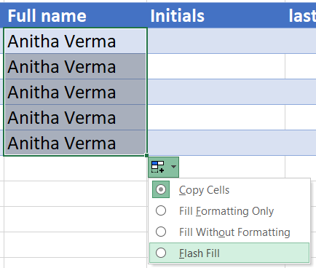
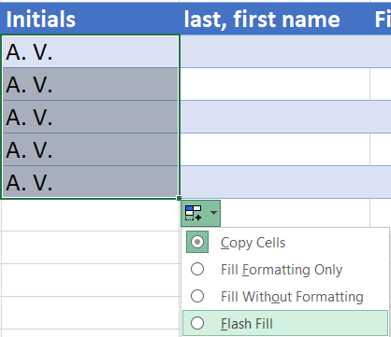

Remove duplicates
This feature removes identical entries from a table by searching for rows with the same value in each column
It deletes all entries except the original if a match is found

Ex: | Remove duplicate employee record

 | S. No | Emp ID | Emp name | Deptt | Salary
 | 1 | 101 | Brian | Marketing | 45000
 | 2 | 102 | Monika | IT | 34220
 | 3 | 103 | Suman | Sales | 67800
 | 4 | 104 | Joseph | HR | 32990
 | 5 | 105 | John | Marketing | 56223
 | 6 | 106 | Smith | Finance | 76099
 | 7 | 103 | Suman | Sales | 67800
 | 8 | 108 | Mahesh | IT | 67808
 | 9 | 109 | Brian | Sales | 32990
 | 10 | 110 | Gaurav | Finance | 56223

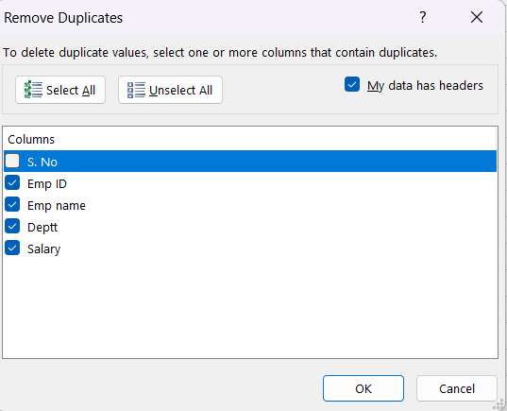
 | S. No | Emp ID | Emp name | Deptt | Salary
 | 1 | 101 | Brian | Marketing | 45000
 | 2 | 102 | Monika | IT | 34220
 | 3 | 103 | Suman | Sales | 67800
 | 4 | 104 | Joseph | HR | 32990
 | 5 | 105 | John | Marketing | 56223
 | 6 | 106 | Smith | Finance | 76099
 | 8 | 108 | Mahesh | IT | 67808
 | 9 | 109 | Brian | Sales | 32990
 | 10 | 110 | Gaurav | Finance | 56223

